Test Sets
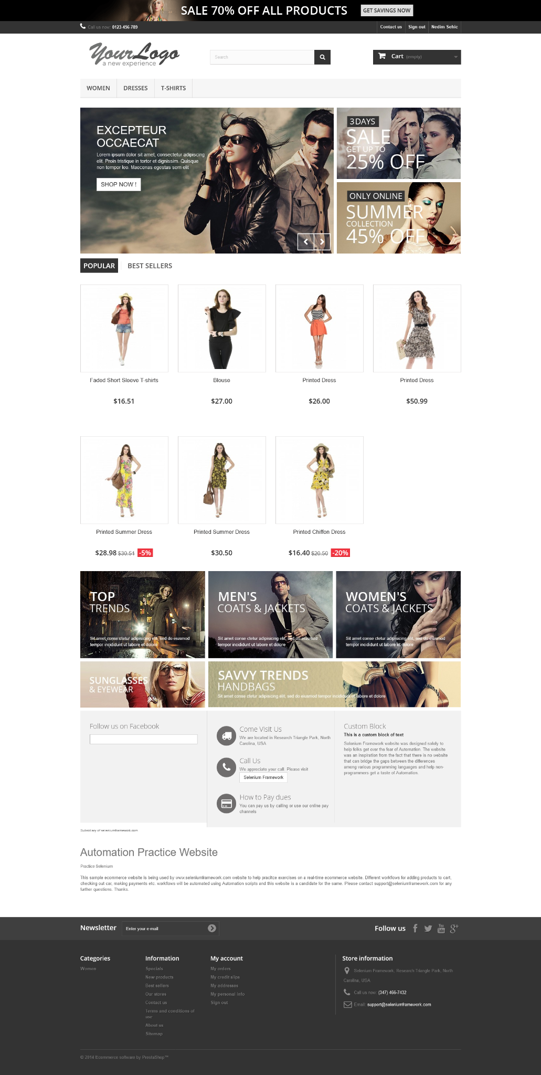
Test Set | Summary (Test) | Description | Step | Data | Expected Result
Home page and navigation bar TS | Main page check | Check if the home page can be opened, the content is aligned properly and the SSL certificate is up to date | Open the home page of the website | http://automationpractice.com/index.php | The home page is opened properly and at acceptable speed
 |  |  | Check the content and pictures of the home page | Reference picture to the right. | All required content and pictures are present, nothing is overlapping or visually incorrect
 |  |  | Check the SSL certificate |  | The SSL certificate is updated and the page is secure with https
 | Summary (Test) | Description | Step | Data | Expected Result
 | Login/Logout functionality | Check if the user can login and logout properly | Press the "Sign in" button |  | The authentication page is opened
 |  |  | 1. Input correct e-mail and password 2. Input correct e-mail and incorrect password 3. Input correct e-mail and no password 4. Input incorrect e-mail and password 5. Input incorrect e-mail and no password 6. Input incorrect format of email | 1. User: correct | Pass: correct 2. User: correct | Pass: incorrect 3. User: correct | Pass: none 4. User: incorrect | Pass: incorrect 5. User: incorrect | Pass: none 6. User: incorrect format | Pass: any List of users: nedim1398@hotmail.com | nedim123 existingUser@mail.com | pass123 | 1. The "My Account" page is opened 2. There is 1 error | 1. Invalid password. 3. There is 1 error | 1. Password is required. 4. There is 1 error | 1. Invalid password. 5. There is 1 error | 1. Password is required. 6. There is 1 error | 1. Invalid email address. |  | Picture size scaled down for example.
 |  |  | Check if username is present in top right corner |  | The current account name is shown in the top right corner
 |  |  | Press the "Sign Out" button |  | Redirected to current page, account name no longer shown in corner
 | Summary (Test) | Description | Step | Data | Expected Result
 | Contact Us page functionality | Check if the Contact Us page is working properly and a message can be sent | Press the Contact Us button |  | The contact page is opened
 |  |  | Fill out the contact form and press Send | 1. Subject: none | Email address: none | Order reference: optional | Attach file: optional | Message: none 2. Subject: none | Email address: correct | Order reference: optional | Attach file: optional | Message: none 3. Subject: none | Email address: correct | Order reference: optional | Attach file: optional | Message: any 4. Subject: any | Email address: correct | Order reference: optional | Attach file: optional | Message: any | 1. There is 1 error | 1. Invalid email address. 2. There is 1 error | 1. The message cannot be blank. 3. There is 1 error | 1. Please select a subject from the list provided. 4. Your message has been successfully sent to our team. | Note: 1. Order reference format not checked. 2. File upload size not checked. (attempted 46 MB upload) 3. File upload progress not shown.

Test Set | Summary (Test) | Description | Step | Data | Expected Result
Home page buttons TS | Search bar and page functionality | Check if the search bar and page are functional depending on input | Press the search button with a matching query | "dress", "shirt" or anything matching one or several products | Products matching the entered query are displayed
 |  |  | Press the search button with a non-matching query | "abcxyz", "johndoe@mail.com" or anything matching no products | No products are displayed | Message: No results were found for your search 'Data'
 |  |  | Press the search button with no query | N/A | No products are displayed | Message: Please enter a search keyword
 | Summary (Test) | Description | Step | Data | Expected Result
 | Cart button and page functionality | Check if the cart button and page are functional and can be interacted with | Press the cart button | No products in cart | Shoping cart summary is shown | Message: Your shopping cart is empty.
 |  |  | Press the cart button | One or several products in cart | Shopping cart summary is shown, products are listed with their respective details, prices and total price
 |  |  | Change the quantity of one or several products on Cart page |  | Product is updated, the price is updated correctly | Note: Element scaling changes depending on numbers displayed
 |  |  | Remove one or several products on Cart page |  | Product is removed, the price is updated correctly
 | Summary (Test) | Description | Step | Data | Expected Result
 | Cart dropdown menu functionality | Check if the cart dropdown menu is functional and can be interacted with | Hover over the cart button | No products in cart | No dropdown menu is shown
 |  |  | Hover over the cart button | One or several products in cart | Dropdown menu is shown and products are listed with their individual and total price
 |  |  | Remove one or several products on the dropdown menu |  | Product is removed, the price is updated correctly

Test Set | Summary (Test) | Description | Step | Data | Expected Result
Checkout functionality TS | Adding products to the cart | Check if products can be added in the cart | Find a product on the home page or subpage |  | A product a customer would buy is found
 |  |  | 1. Hover over the product and press "Add to cart" 2. Hover over the product and press "Quick view", then "Add to cart" 3. Press on the product or the "More button", then "Add to cart" |  | 1. Product is added to cart. 2. Product is added to cart. 3. Product is added to cart. | Note: Sign out empties cart
 | Summary (Test) | Description | Step | Data | Expected Result
 | Checking out with the added products | Check if checkout is working with the products added in the cart | Navigate to the cart page |  | The cart/checkout page is opened
 |  |  | Proceed to checkout | 1. Summary 2. Sign in 3. Address 4. Shipping 5. Payment | 1. Summary of added products is shown, as well as address if signed in 2. If not signed in, the user is asked to sign in 3. Address is shown and can be reviewed/updated 4. Shipping options are shown and can be chosen from, user agreement must be accepted 5. Order summary is shown again and a payment option can be selected, after which the order is confirmed one last time

Bugs
Defect | Steps to reproduce
Signing out empties cart | 1. Add items to cart while signed in 2. Sign out 3. Cart is empty
Defect | Steps to reproduce
Order reference format is not checked | 1. Type in anything into the order reference field on the Contact Us page
 | 2. The message is sent despite containing a non-existing order reference
Defect | Steps to reproduce
File upload size not checked | 1. Upload any file size (46 MB tested)
 | 2. File begins to be uploaded (website loading)
Defect
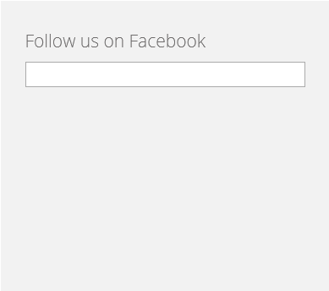
Missing link/image to Facebook.

Improvement ideas
Improvement idea
Pressing on Best sellers (or Specials, New Products) opens a needlesly long page with duplicate information. As seen on the left we have the Top Sellers and on the right we have Best Sellers creating a clutter of information.

Another thing to note is, that we needlesly have the Information and Manufacturers on the sidebar, when they could be added on the bottom or the navigation bar. In short the design of the website is not up to date and consumer friendly, there's a lot of scrolling through information I did not ask for.

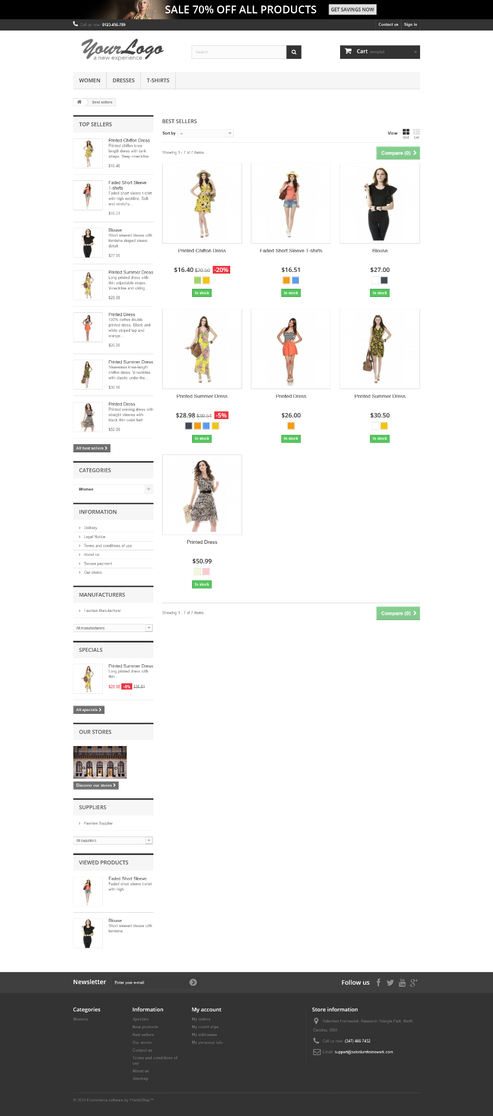

Improvement idea
These categories do not make much sense, visually or logically.
Women, Dresses and T-shirts have the same size, despite the scaling being WOMEN > DRESSES > T-SHIRTS
Also, the categories make even less from the aspect of Dresses being a category, for Women, but T-shirts being a subcategory for tops.
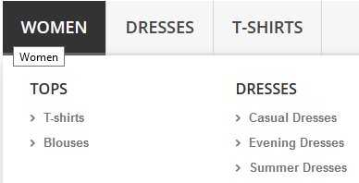

The proper way of displaing it would be:

WOMEN | DRESSES | TOPS | T-SHIRTS

Improvement idea
Display any sort of indication for when files are being uploaded, percentage, time etc.
Improvement idea
Display indication of how many products are "IN STOCK"
Improvement idea
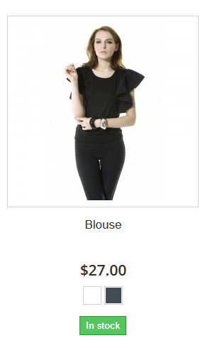
Pressing on a color on anything that is not the product page, takes me to the product page. This encourages buying, discourages exploring other products. Personally, it makes more sense to let them explore rather than force buying onto a customer.

Improvement idea
When entering an invalid email address into newsletter, instead of a popup, the page is reopened. This is inefficient.

